Mixer Form
 | Project Name: CPR-39014 Metallus, Inc - 212126 - 1/1/25 - New Group Pricing Set Up
 | Date of last update:

Project/Client | CPR-39014 Metallus, Inc - 212126 - 1/1/25 - New Group Pricing Set Up |  |  |  |  |  |  |  | Requirements Completion Date:
SSCR # |  |  |  |  |  |  |  |  | Production effective date
SSCR Sponsor/Initiative Owner |  |  |  |  |  |  |  |  | Claim Stop needed |  | A claim stop will be needed if mixers are not implemented before <date>
Requirements Approvers |  |  |  |  |  |  |  |  | Planned Implementation date
 |  |  |  |  |  |  |  |  | Test effective date

Test environments: see tab Test Environments for release planning |  |  |  |  | System
IMSI | Y |  | IMST |  | WGS:
IMSH | Y |  | Other |  | STAR: |  |  |  | Mixer Production Date:
IMSN

 | * Comments must be filled in if a Tiered product or Special Handling required |  |  |  |  |  |  |  |  |  |  |  |  | INSTITUTIONAL |  |  |  |  | PROFESSIONAL
Information Required (* indicates mandatory data) | *Member contract code | Source System | *Member Product EMO, HMO, PPO,etc. | Coverage (Scrum Team only supports Medical coverage) | Varn | Line of Business | Contracting State (where membership is attached or product is sold) | Tiered Product * | Reference mixer (existing mixer from contract code) - Shared/Not Shared | Special Handling * | *Product Name (to also assign to Mixer; for naming purposes only) | *Network | AltNet | Npar Facility | NPAR Ambulance(Air/Ground/Water) | NPAR Facility Emergency Room | NPAR Emergency Claim | Inst N/Par Default (Reimbursement Expectations) | Npar Professional | Prof N/Par (Reimbursement Expectations) | Npar RAPS | Npar AERP | Npar Emergency Claims | Npar Assistant Surgeon | Npar Ambulance | Onsite Clinic | Online Providers | Sydney K-Chat | Lark | ASH (Chiro Vendor) | Type of mixer work (New Group, Renewal, ActWise Migration, Client Request, Production Defect) | Special Instructions
Enter mixer details below this line
Case# 212126 | 83SL, 84US, 84UV, 84UX | WPD National | P1OH | MED | OHA2 | National | OH | NO | N/A | NO | PPO Plan Design | BlueCard PPO | No | Local plan prcing | Local plan prcing | Local plan prcing | Local plan prcing | CEPN 0000 R CEPN 0000 E CEPN 0000 _ | 285% of medicare allowed | AB00 0000 B ENNM N285 A ENNM N285# ENNM N285 _ | N/A | 285% of medicare allowed | Local plan prcing | 285% of medicare allowed | Billed charges | No | LHO=Yes | Yes | Yes | No | New Group | Effective date: 1/1/25 *Note - Effective dates will be handled through EBA team.
 | 84V2, 84V6, 84V8 | WPD National | GOHS | MED | OHA2 | National | OH | NO | N/A | NO | HSA Plan design | BlueCard PPO | No | Local plan prcing | Local plan prcing | Local plan prcing | Local plan prcing | CEPN 0000 R CEPN 0000 E CEPN 0000 _ | Local plan prcing | ENNM N285 A ENNM N285# AB00 0000 B CENP 0000 _ | N/A | 285% of medicare allowed | Local plan prcing | 285% of medicare allowed | Billed charges | No | LHO=Yes | Yes | Yes | No | New Group | Effective date: 1/1/25 *Note - Effective dates will be handled through EBA team.
 |  |  |  |  |  |  |  |  |  |  |  |  |  |  |  |  |  |  |  |  |  |  |  |  | `

 |  |  |  |  |  |  |  |  |  |  |  |  |  | Local Plan Pricing | Local Plan Pricing | Billedcahrges | Billedcahrges | AB00 0000 E CEPN 0000 R CEPN 0000 _ |  | ENNM N285 A ENNM N285# CENP 0000 _ AB00 0000 B | adiology Anesthesia Assistant Surgadiology Anesthesia Assistant Surgeon Emergency Room Physician Pathologyeon Pathology | adiology Anesthesia Assistant Surgadiology Anesthesia Assistant Surgeon Emergency Room Physician Pathologyeon Pathology

 |  |  |  |  |  |  |  |  |  |  |  |  |  |  |  | E | E |  |  |  | P# | A # | E | # | B

 |  |  |  |  |  |  |  |  |  |  |  |  |  |  |  | Default:
 |  |  |  |  |  |  |  |  |  |  |  |  |  |  |  | Local plan

 |  |  |  |  |  |  |  |  |  |  |  |  |  |  |  | Special prcing |  | Billed amt | allowed
 |  |  |  |  |  |  |  |  |  |  |  |  |  |  |  | Billed cahrges | AB00 0000 | 100 | 100
Legend: |  |  |  | Reuirement :- |  |  |  |  |  |  |  |  |  |  |  | %of medicare | ENNM Nxxx
WGS Pricing currently has the following additional Non Par calculations: |  |  |  |  |  |  |  |  |  |  |  |  |  |  |  | % of FH - 80 percentile of FH | ENFH 0080
 |  |  |  |  |  |  |  |  |  |  |  |  |  |  |  |  | ENFH 0090
A,E,R,P – which is Anesthesiologist, Emergency room providers, Radiologists and Pathologists
R,A,P – Radiologists, Anesthesiologists and Pathologist
E = | Emergency
P= | Pathologist/Radiologist/Anesthesiologist- RAP
B= | Ambulance
V= | NV Non par ER
Blank= | Find Default

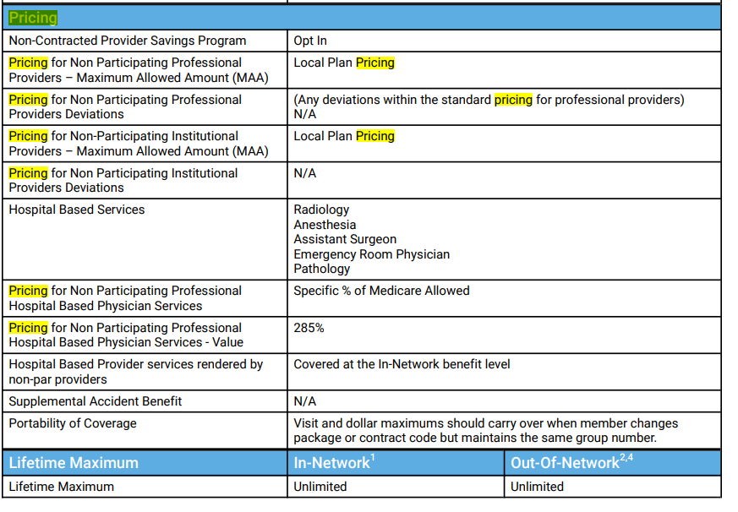
Type of Network
E = | True Statewide EPO (only product PBEX)
P = | PPO (not EPO)
S = | Special Client Set up only (not Full EPO Plan)
I= | Indemnity

